Data
Budget Tracker

Income:
Salary: | $90,000
Tax(20%) | -$18,000 | $18,000
Medical Insurance | -$6,000
super | -$10,000
Bonus | $12,000
Net Income: | $68,000 | =SUM(B4:B8)

Expenses
Rent | $64,000
Gym | $40,000
Food | $36,000
Travel | $20,000
Mobile bills | $2,000
Car petrol | $1,500
Net Expenses | $1,000 | #N/A

Net Profit | $4,000
% saving | 6%
% Expenses | 94%

% Expenses

chart
Yearly Budget Tracking

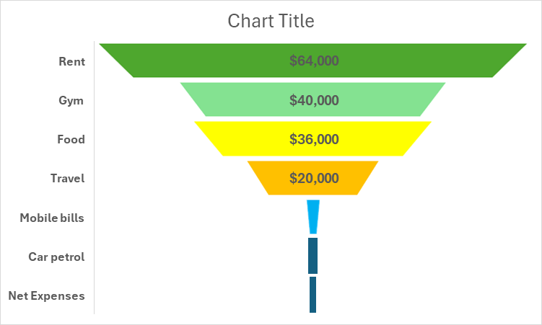

% Expenses
% saving | 6%
% Expenses | 94%

